First entry
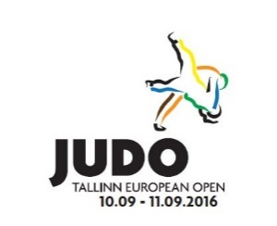
 |  | European Judo Open Men & Women
 |  | Tallinn, Estonia 10-11.09.2016

Club and country/Federation:

 | First name | Last name | Date of birth | Male/Female | Role | Weight Category
1
2
3
4
5
6
7
8
9
10
11
12
13
14
15

Accomodation & travel

 | European Judo Open Men & Women |  |  |  |  |  |  | Prices per person per night: | BB | HB
 | Tallinn, EST 10-11.09.2016 |  |  |  |  |  |  | Single room | 135 | 150
 |  |  |  |  |  |  |  | Double room | 110 | 125
 | NB! Please fill in the grey cells |  |  |  |  |  |  | Triple room | 100 | 115
 |  |  |  |  |  |  |  | *If you stay more than 3 nights in a single or double room, you'll get a discounted price.
Club and country/Federation:
ACCOMODATION
Tallinn Meriton Spa ja Conference | Arrival Date | Departure Date | Nights | No of persons | No of rooms | BB/HB | Price per night | Last names per room | Total: | Comments
EXAMPLE: Double | 9.09 | 12.09 | 3 | 4 | 2 | HB | 150 | 1.Kuusik, Mettis; 2.Minaškin, Marmeljuk
Single |  |  | 0 |  | 0 |  |  |  | 0
Single |  |  | 0 |  | 0 |  |  |  | 0
Single |  |  | 0 |  | 0 |  |  |  | 0
Double |  |  | 0 |  | 0 |  |  |  | 0
Double |  |  | 0 |  | 0 |  |  |  | 0
Double |  |  | 0 |  | 0 |  |  |  | 0
Triple |  |  | 0 |  | 0 |  |  |  | 0
Triple |  |  | 0 |  | 0 |  |  |  | 0
Triple |  |  | 0 |  | 0 |  |  |  | 0
 |  |  |  |  |  |  |  | Total: | 0
Send this form to tallinnopen@judo.ee before 18th of August 2016.
Travel details To be filled in only if you require transfers | Arrival date | Arrival time | Flight no | No of persons | Departure date | Departure time | Flight no | No of persons | Comments

NB! Transfers from the organizers will be only offered to the delegates staying in the official hotel and only from 9-12th of September

